Sheet1
 |  | Document No. |  |  | Issue No. | Issue Date |  |  | Review and Replace Date |  | Authorised By
 |  | GFF346MC |  |  | 1 | 28.10.2021 |  |  | New issue |  | Magda Shah
 |  | Document Title |  |  | 26 Indian Selection 980g
Document amendments reason for change |  | new document created |  |  |  |  |  | New Issue Date |  | 03.08.2021 | Uncontrolled copy unless signed original

CINS1C-B26X8T |  |  | COSTCO |  |  |  | 26 Indian Selection 980G | CHILLED
STEP 1 |  |  |  |  |  |  |  | STEP 2
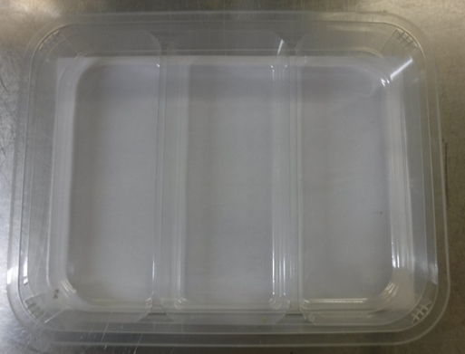 |  |  |  |  |  |  |  | 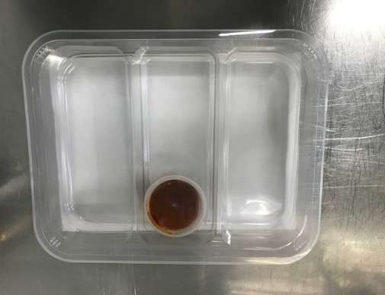

Packaging: TRAY H320/60-CLEAR(596) (PKNUT001-05) + PLASTIC TRAY DIVIDER (PKKIN001-06) |  |  |  |  |  |  |  | Spicy Tomato Dip (GFF124R) 40g
Line 1 , Line 2 and GTR Proseal- Reel Anti Fog Membrane- PP410 AF (PKPRO001-10)
 | STEP 3 |  |  | STEP 4 |  |  |  | STEP 5
 |  |  |  |  |  |  |  | 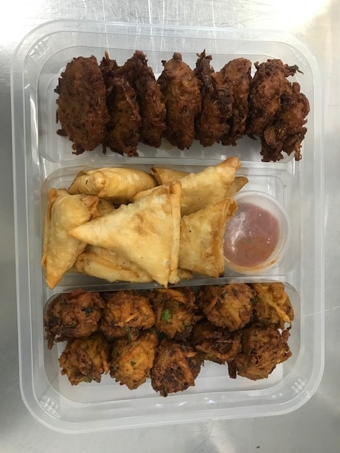
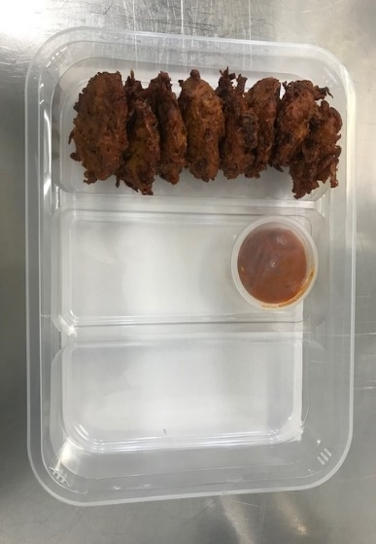
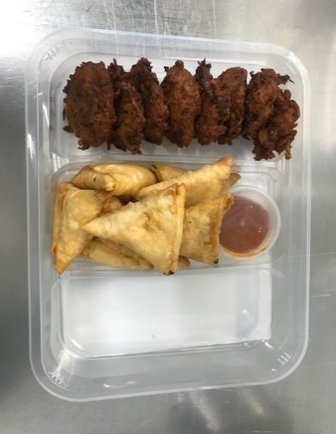

8 x Onion Bhaji Cocktail 40g (GFF121R) |  |  |  | 8 x Vegetable Samosas 40g (GFF123R) |  |  |  | 10 x Vegetable Pakora Cocktail 30g (GFF122R) |  |  | Total Weight 980 g
ALLERGY ALERT: Wheat (Gluten)

